Certification
DT CLUSTER ACCEPTANCE CERTIFICATE

Reference No. : |  |  |  |  |  |  |  | -

Cluster Name | TB_KOMPLEK_PEMDA
Cluster_Zone | BPP204MD1

This SSV certificate is a legal note that Telkomsel's SQA department in regional office has approved the integration quality of mentioned type of work to the Telkomsel network and accepting reached certfification target values.

The SSV certificate is printed in three identical copies and its content is approved by Telkom Infra Project, Telkomsel SQA in regional office.

v
 | Functionality Test
v
 | Drive test

v
 | Packet Active Set
v
 | Site Audit
v
 | OSS KPI
v
 | Laccima
Note: |  |  |  |  |  | Overall Result:
Walk Test not performed according to this Cluster type |  |  |  |  |  | PASS / NOT PASS

 |  | Telkomsel Telkominfra |  |  | Telkomsel SQA Department
 |  | Approved by : | Regional : |  | Approved by :
 |  | Date : |  |  | Date :
 |  | Signature : |  |  | Signature :

Company : |  |  |  | Site Survey Verification Acceptance Certificate |  | Quality Certificate Form
Prepare by: |  |  |  |  |  | Last update :
Author: |  |  |  |  |  | Page: 1/1 | Version :

4. Site Audit
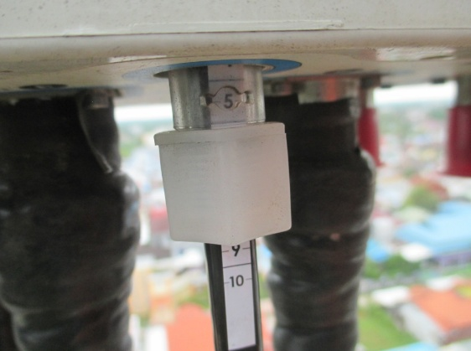
SITE AUDIT

 | Site ID: | PTK058
 | Site Name | Perum Perdana
 | Long: | 109.340511
 | Lat: | -0.058117
Panoramic View
Data Site

 | 0 |  | 30 |  | 60 |  | 90 |  | View Tower |  | Site Name
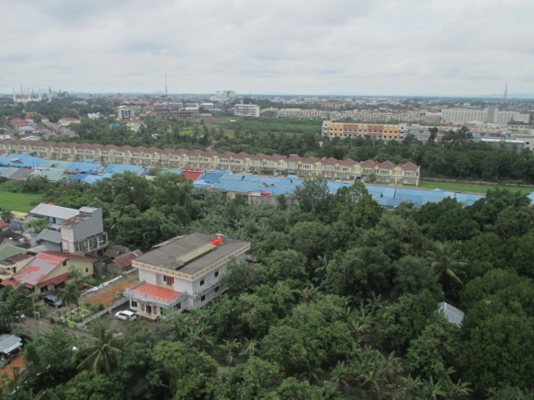
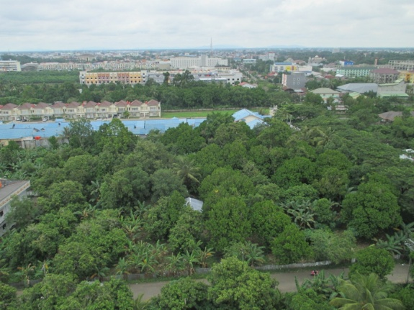
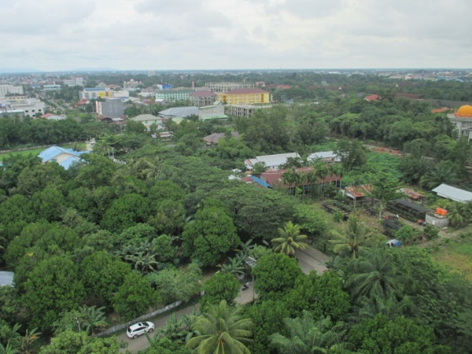
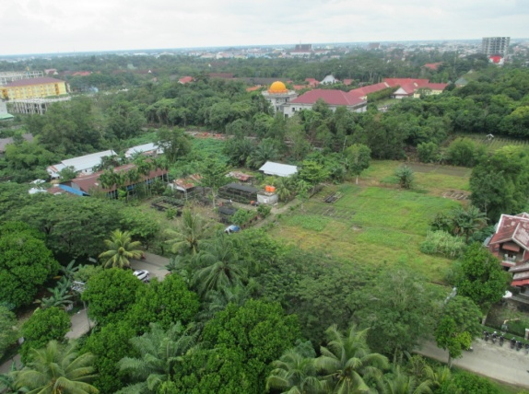
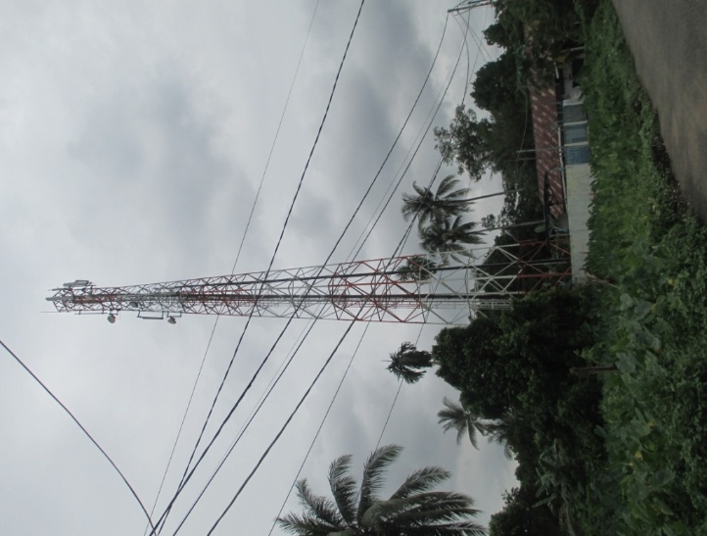
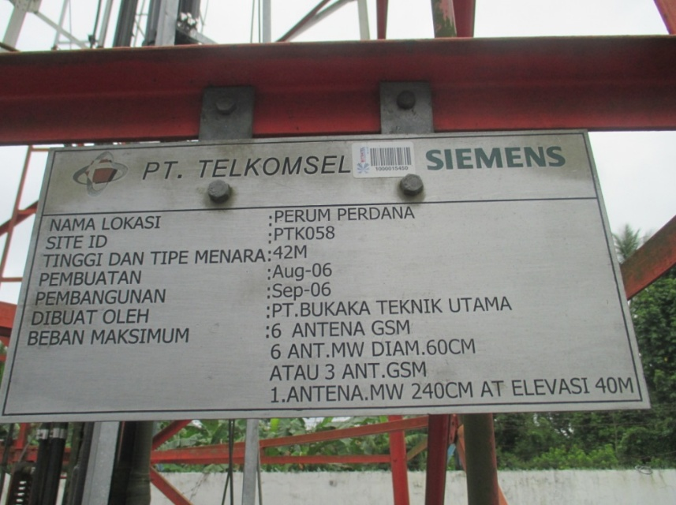

 | 120 |  | 150 |  | 180 |  | 210
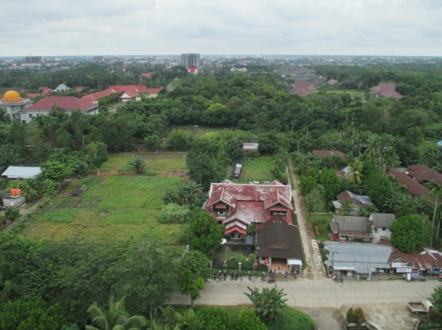
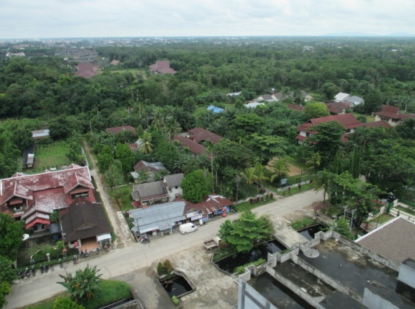
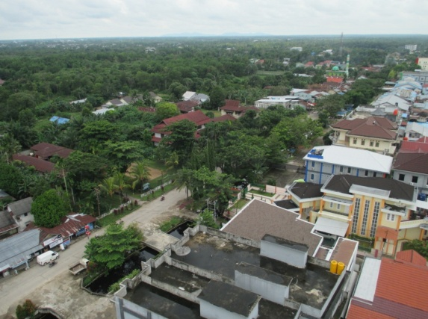
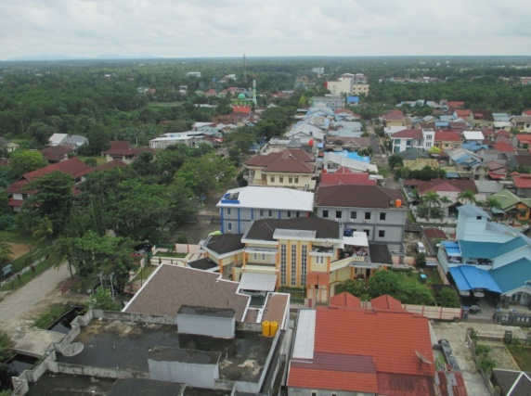

 |  |  |  |  |  |  |  |  |  | View Shelter
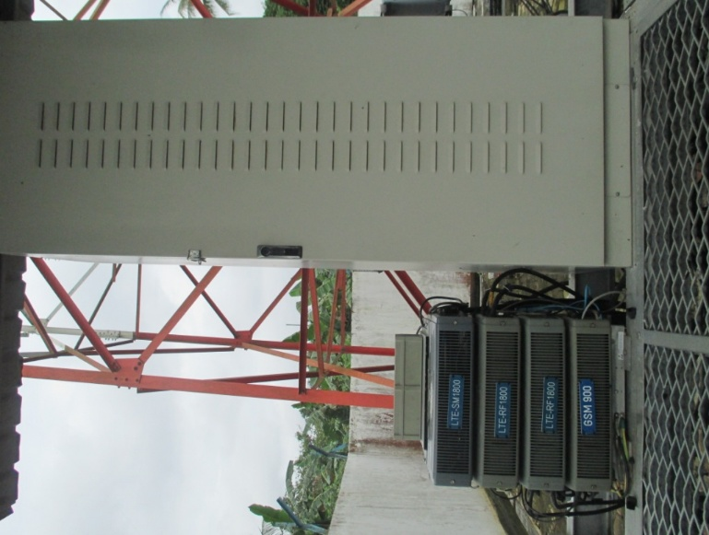

 | 240 |  | 270 |  | 300 |  | 330
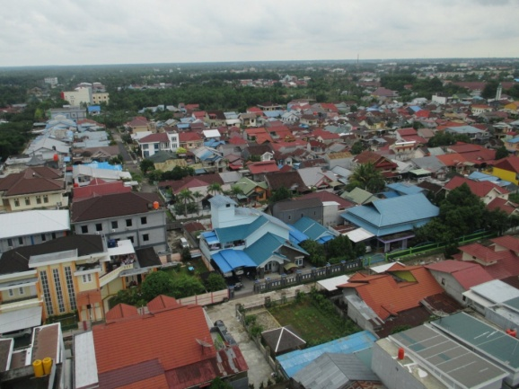
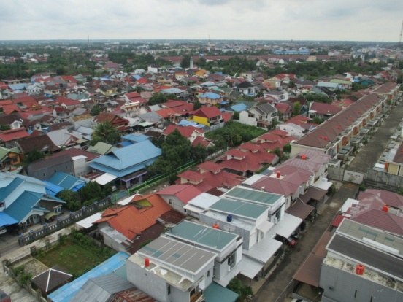
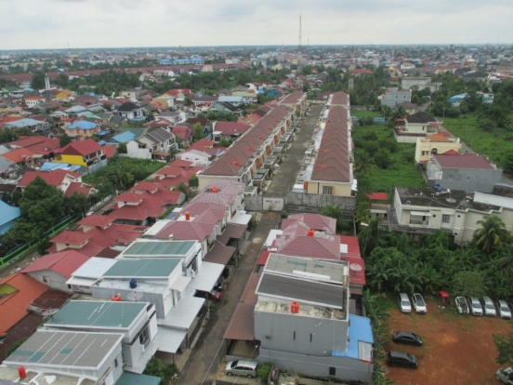
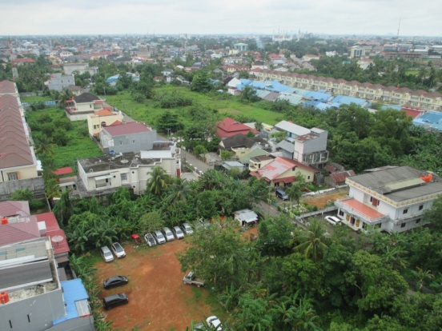

DATA BEFORE

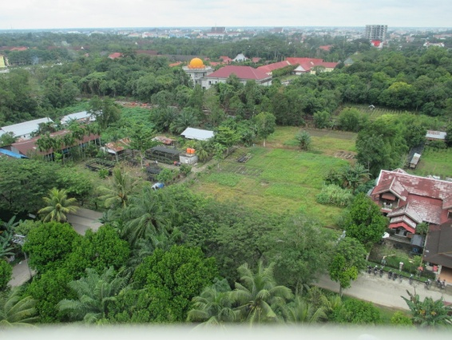
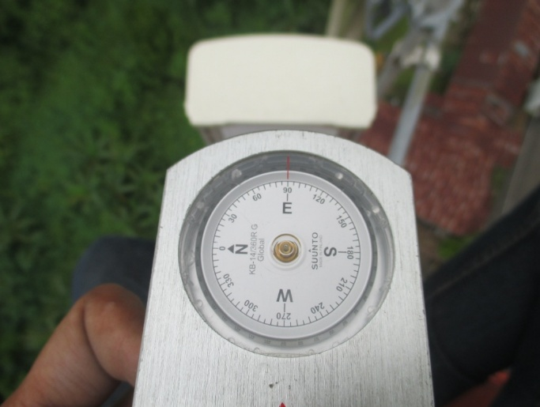
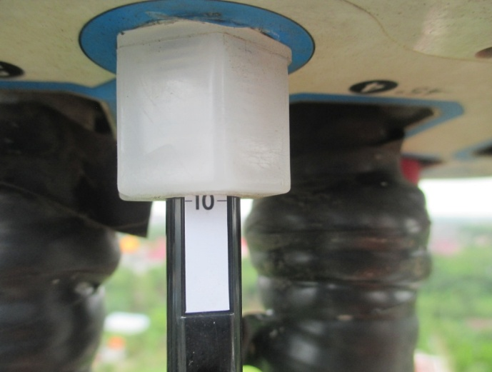
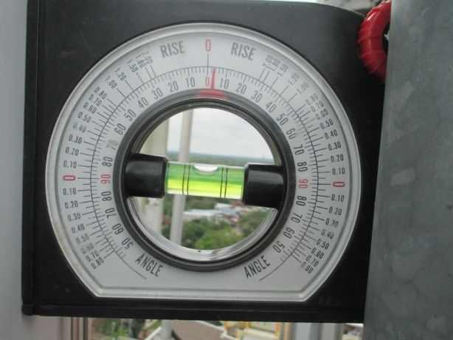
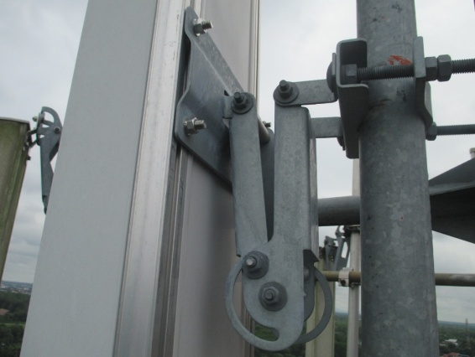
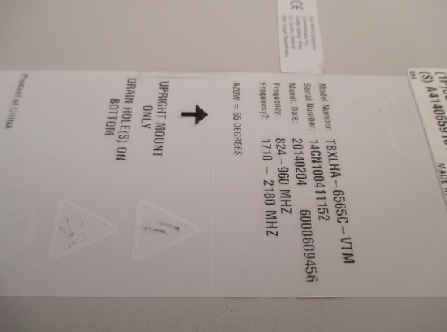
 |  | View Sector |  | Azimuth |  | Elektrikal GSM |  | Elektrikal LTE | Mekanikal |  | Breket Antenna | Type Antenna
 | Sector 1
 |  |  |  |  |  |  |  |  |  |  |  |  | SITE INFORMATION
 |  |  |  |  |  |  |  |  |  |  |  |  | HIGH TOWER | 42 METER
 |  |  |  |  |  |  |  |  |  |  |  |  | ANTENA HIGH | 41 METER
 |  |  |  |  |  |  |  |  |  |  |  |  | TIPE ANTENA | ANDREW TBXLHA-6565C-VTM
 |  |  |  |  |  |  |  |  |  |  |  |  | ALAMAT | Jl. Perdana Gang. Setia

 |  |  |  |  |  |  |  |  |  |  |  |  |  | BEFORE | AFTER
 |  |  |  |  |  |  |  |  |  |  |  |  | AZIMUT | 90/220/295 | -
 |  |  |  |  |  |  |  |  |  |  |  |  | ELEKTRIKAL GSM | 7/8/2 | -
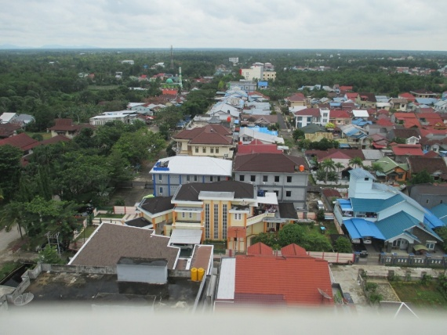
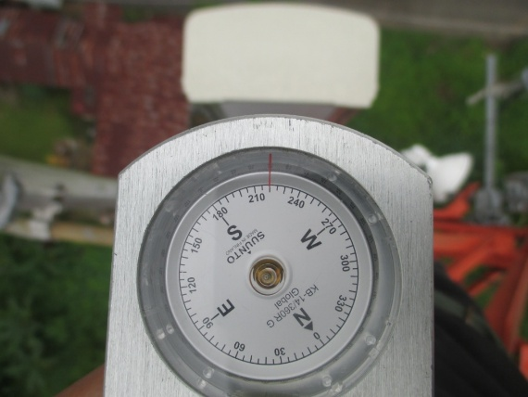
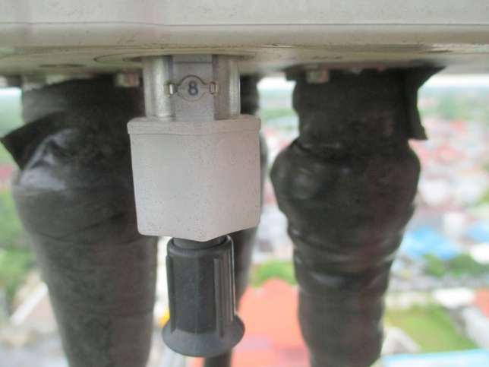
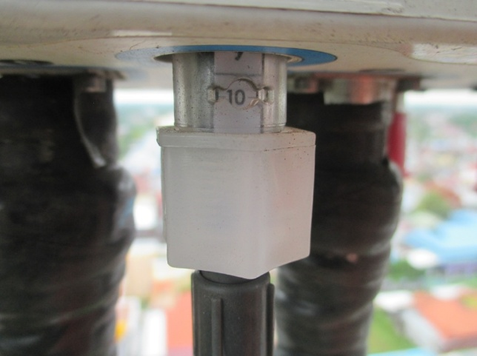
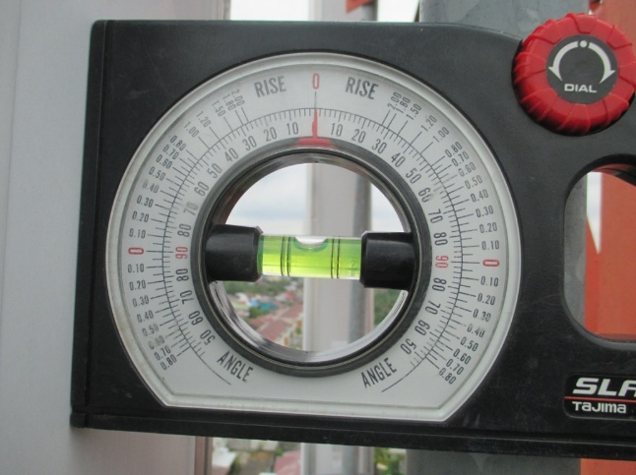
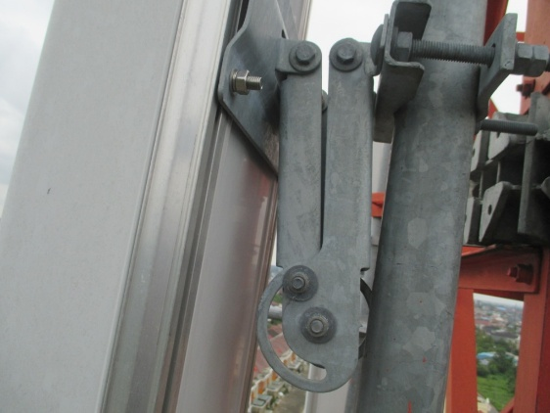
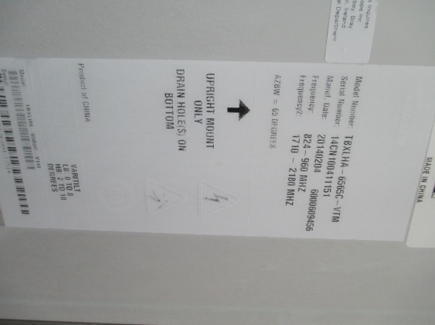
 | Sector 2 |  |  |  |  |  |  |  |  |  |  |  | ELEKTRIKAL LTE | 10/10/2 | 10/5/2
 |  |  |  |  |  |  |  |  |  |  |  |  | MEKANIKAL | 3/0/6 | -

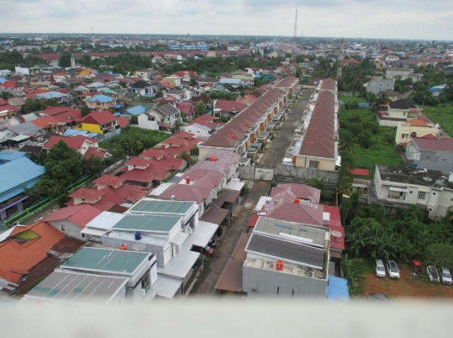
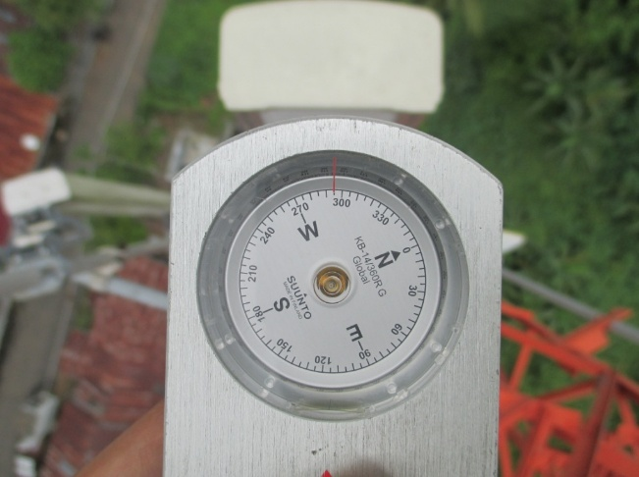
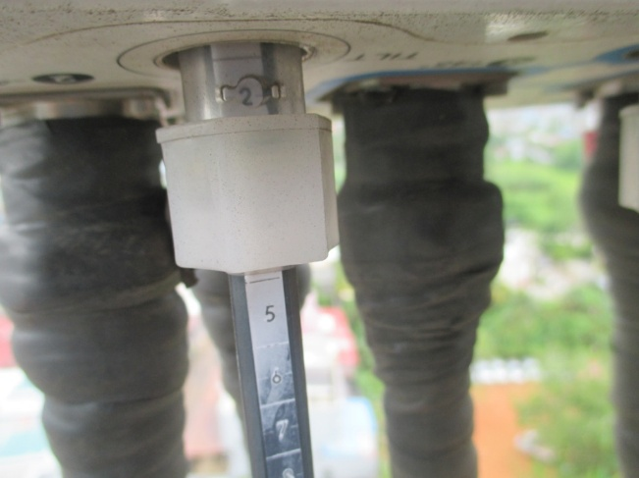
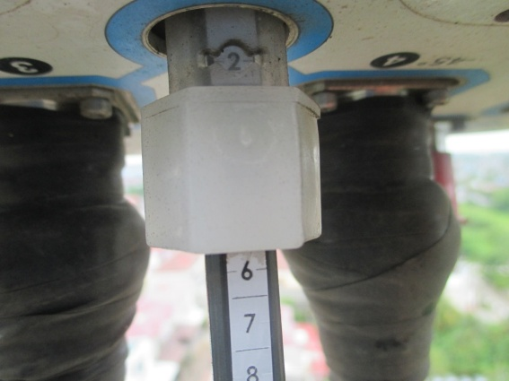
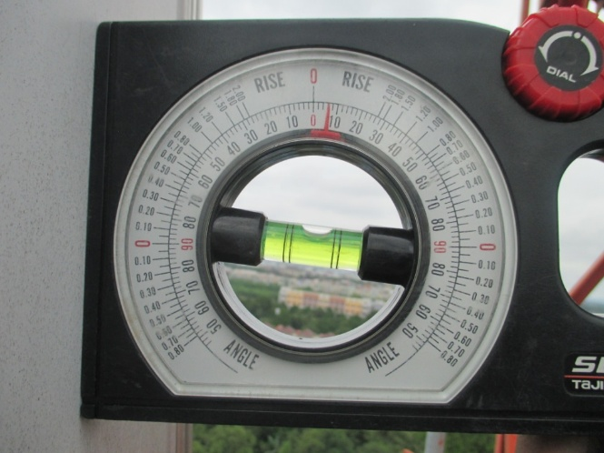
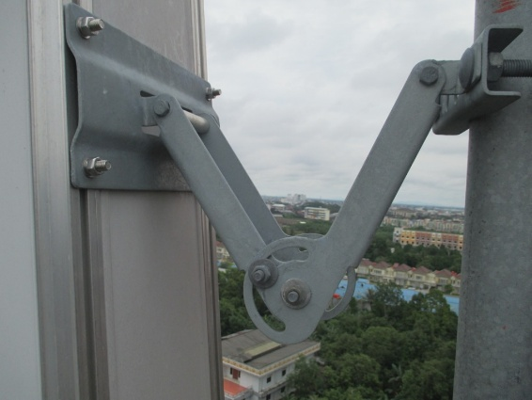
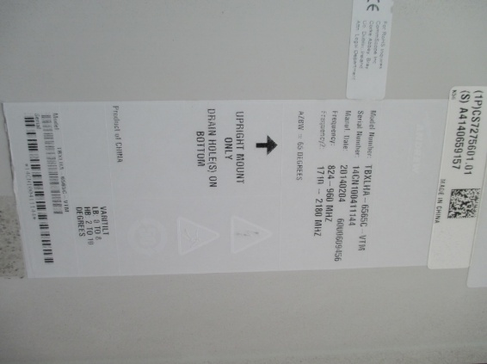
 | Sector 3

 | DATA AFTER

 |  | View Sector |  | Azimuth |  | Elektrikal GSM |  | Elektrikal LTE | Mekanikal |  | Breket Antenna | Type Antenna
 | Sector 2

